Pivot
Sum of Total Sales | Column Labels |  |  | Sum of Total Sales | Column Labels
Product | 2021 |  |  | Retailer | 2021
Men's Apparel | $25,771,220 |  |  | Amazon | $13,365,025
Men's Athletic Footwear | $35,617,777 |  |  | Foot Locker | $36,336,666
Men's Street Footwear | $39,316,073 |  |  | Kohl's | $62,302,115
Women's Apparel | $37,754,944 |  |  | Sports Direct | $12,129,045
Women's Athletic Footwear | $24,360,107 |  |  | Walmart | $6,791,008
Women's Street Footwear | $30,227,908 |  |  | West Gear | $62,124,170

Total Sales | Units Sold | Avg Price | Operating Margin
$193,048,029 | 523942 | $47.26 | 40%

$193,048,029 | 523942 | $47.26 | 40%

Years (Invoice Date) | Quarters (Invoice Date) | Region | Total Sales |  | Years (Invoice Date) | Quarters (Invoice Date) | Avg Price |  | Years (Invoice Date) | Quarters (Invoice Date) | Operating Margin
2021 | Qtr1 |  | $53,046,243 |  | 2021 | Qtr1 | $43.45 |  | 2021 |  | 40%
 | Qtr2 |  | $56,476,875 |  |  | Qtr2 | $46.81
 | Qtr3 |  | $45,043,506 |  |  | Qtr3 | $51.43
 | Qtr4 |  | $38,481,405 |  |  | Qtr4 | $49.61

Years (Invoice Date) | Quarters (Invoice Date) | Units Sold |  |  | Retailer | Total Sales | Operating Margin
2021 | Qtr1 | 155515 |  |  | 2021 | $193,048,029 | 40%
 | Qtr2 | 158028 |  |  | Qtr1 | $53,046,243 | 39%
 | Qtr3 | 111460 |  |  | Qtr2 | $56,476,875 | 40%
 | Qtr4 | 98939 |  |  | Qtr3 | $45,043,506 | 41%
 |  |  |  |  | Qtr4 | $38,481,405 | 41%

Total Sales By Month
Total Sales By Month
 |  |  |  |  |  |  |  | Total Sales Breakdown by Region
Row Labels | Total Sales
Jan | $24,415,028 |  |  |  |  |  |  | Row Labels | Total Sales
Feb | $16,291,723 |  |  |  |  |  |  | West | $193,048,029
Mar | $12,339,492
Apr | $17,188,719
May | $23,311,262
Jun | $15,976,894
Jul | $17,827,876
Aug | $15,909,578
Sep | $11,306,052
Oct | $9,900,209
Nov | $12,964,987
Dec | $15,616,209

Dashboard

ADIDAS
Sales and Profit Dashboard
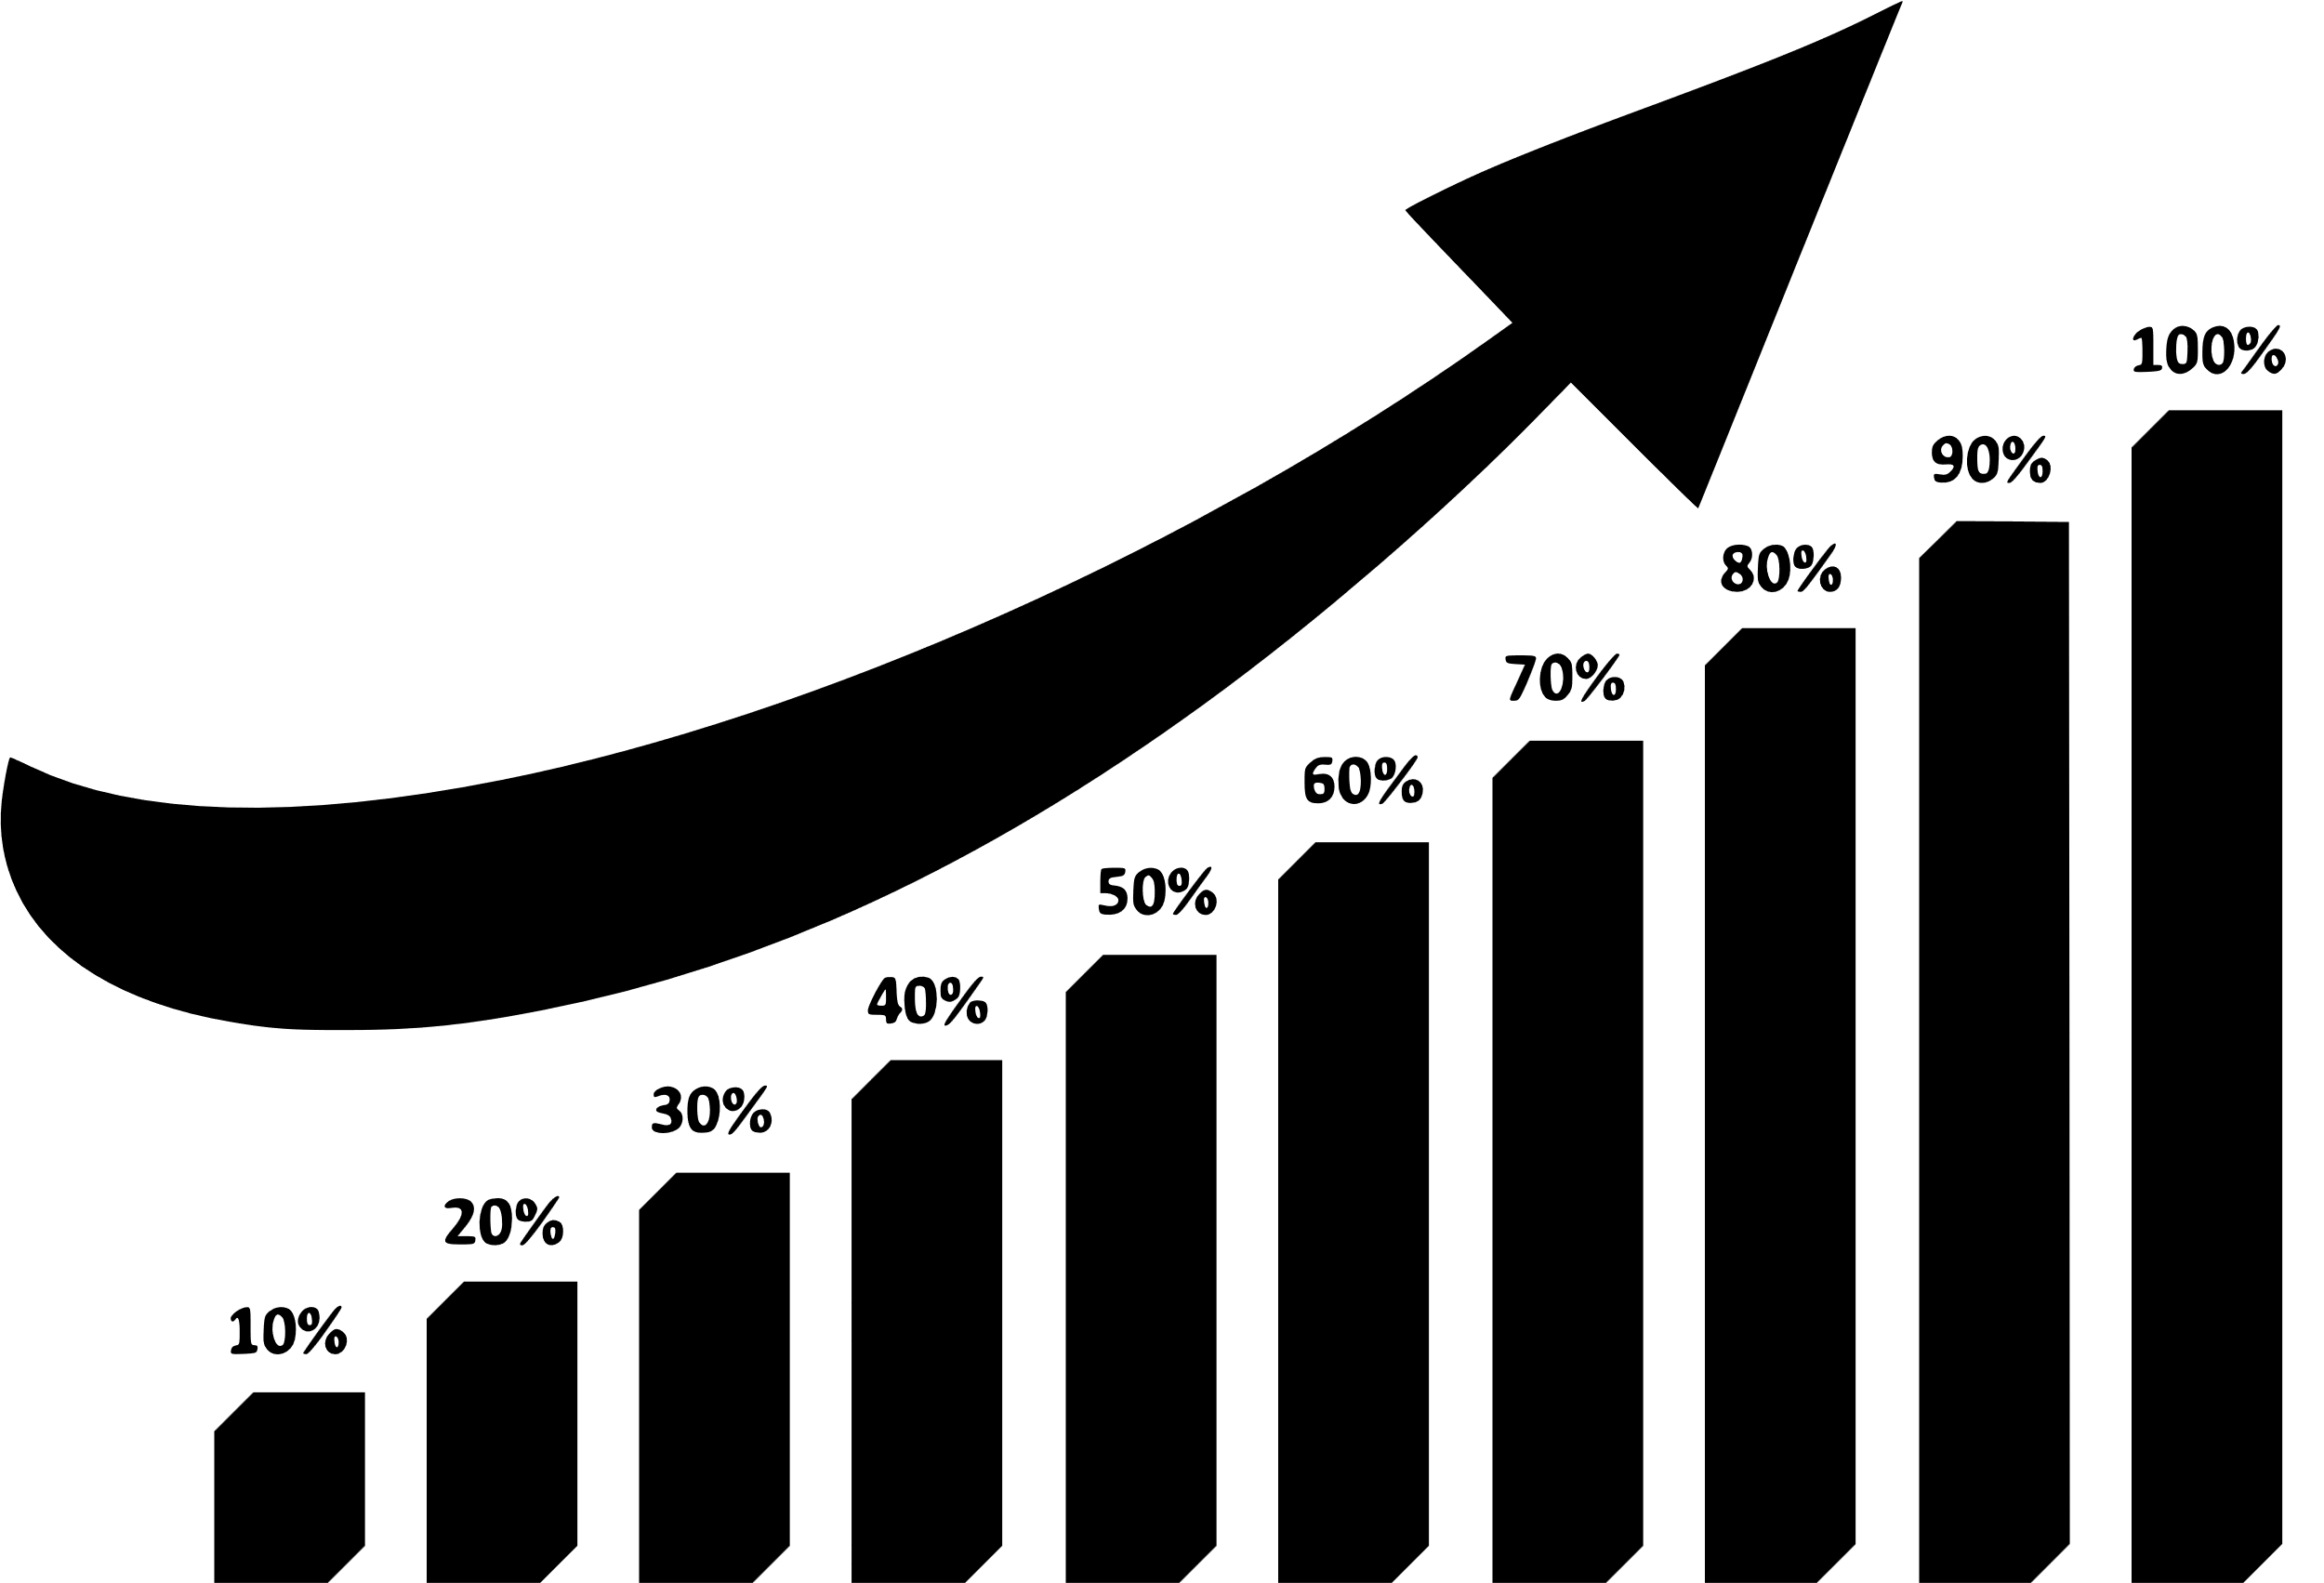

Total Sales
Units Sold
Avg Price
Operating Margin

$193,048,029
523942
$47.26
40%
 | Total
Qtr1 | $53,046,243
Qtr2 | $56,476,875
Qtr3 | $45,043,506
Qtr4 | $38,481,405
 | Total
Qtr1 | 155515
Qtr2 | 158028
Qtr3 | 111460
Qtr4 | 98939
 | Total
Qtr1 | $43.45
Qtr2 | $46.81
Qtr3 | $51.43
Qtr4 | $49.61
 | Total
2021 | 40%

Sales By Product |  |  |  | Sales By Retailer

Product | 2020 | 2021 | Variance | Retailer | 2020 | 2021 | Variance
Men's Apparel | $25,771,220 | $- | $(25,771,220) | Amazon | $13,365,025 | $- | $(13,365,025)
Men's Athletic Footwear | $35,617,777 | $- | $(35,617,777) | Foot Locker | $36,336,666 | $- | $(36,336,666)
Men's Street Footwear | $39,316,073 | $- | $(39,316,073) | Kohl's | $62,302,115 | $- | $(62,302,115)
Women's Apparel | $37,754,944 | $- | $(37,754,944) | Sports Direct | $12,129,045 | $- | $(12,129,045)
Women's Athletic Footwear | $24,360,107 | $- | $(24,360,107) | Walmart | $6,791,008 | $- | $(6,791,008)
Women's Street Footwear | $30,227,908 | $- | $(30,227,908) | West Gear | $62,124,170 | $- | $(62,124,170)

Total Sales By Month
 | Total
Jan | $24,415,028
Feb | $16,291,723
Mar | $12,339,492
Apr | $17,188,719
May | $23,311,262
Jun | $15,976,894
Jul | $17,827,876
Aug | $15,909,578
Sep | $11,306,052
Oct | $9,900,209
Nov | $12,964,987
Dec | $15,616,209
Total Sales Breakdown By Region
 | Total
West | $193,048,029

📈Sales steadily increase toward year-end
📈
🌍West region leads overall sales

 | Sales By Operating Margin
 | Total Sales | Operating Margin
Qtr1 | $53,046,243 | 39%
Qtr2 | $56,476,875 | 40%
Qtr3 | $45,043,506 | 41%
Qtr4 | $38,481,405 | 41%

💹Higher margins drive stronger profitability

